Sheet1

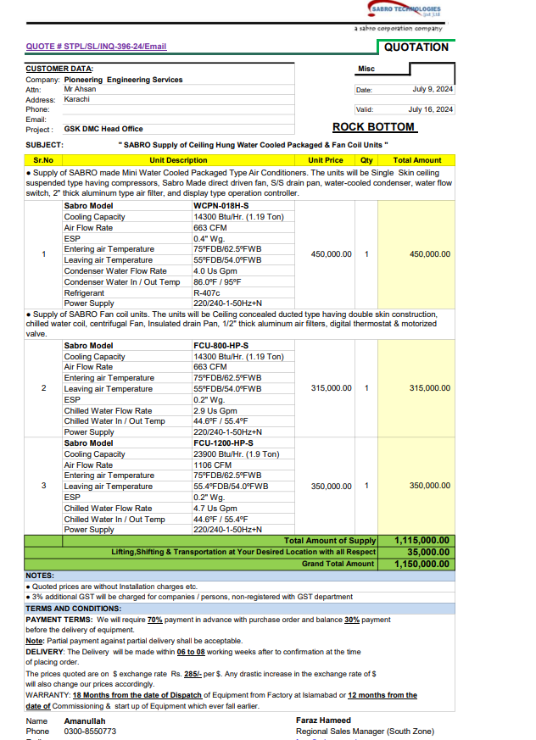

PES/GSK/002/7/24 |  |  |  |  |  |  |  | 2024-07-10

M/S My Interior

Mr. Shahzaib Mazhar

Variation order No 02
Fan Coil unit & Water Cooled Package Unit - GSK Office DMC Karachi

S. # | Description | Unit | Qty | Material Rate | Labour Rate | Over Head profit 25% | Tax 7.5% | Total Amount
1 | Supply & Installation of mini water cooled package unit Capacity: 1.19 Ton Make: SABRO | No | 1 | 450,000 | 45,000 |  | 37,125 | 532,125 | 350,000 | 413,000
2 | Supply & Installation of fan coil unit. Capacity: 1.9 Ton Make: SABRO | No | 1 | 350,000 | 25,000 |  | 28,125 | 403,125
3 | Supply and installation of hangers and supports. | Job | 1 | 25,000 | 5,000 |  | 2,250 | 32,250
4 | Transportation Charges | Job | 1 | - | 35,000 |  | 2,625 | 37,625
Total Amount Rs. |  |  |  |  |  |  |  | 1,005,125

Note: 13% SST will be charged seperately. |  |  |  |  |  |  |  | 93,577
 |  |  |  |  |  |  |  | 911,548

Thanking you,

For PIONEER ENGINEERING SERVICES.
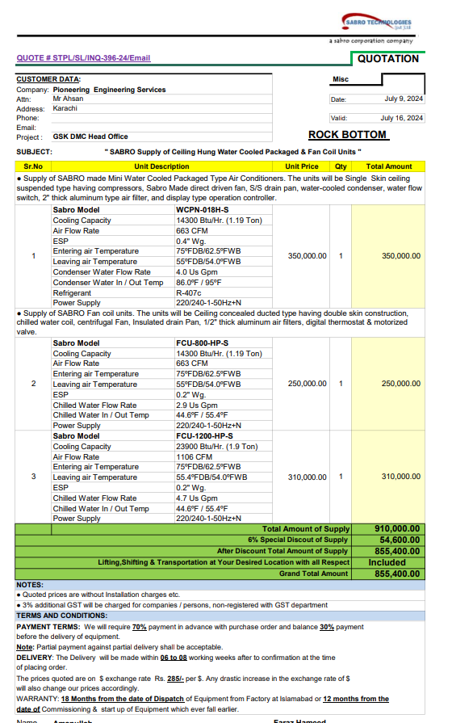
Bilal Habib

